stylesheet_objects
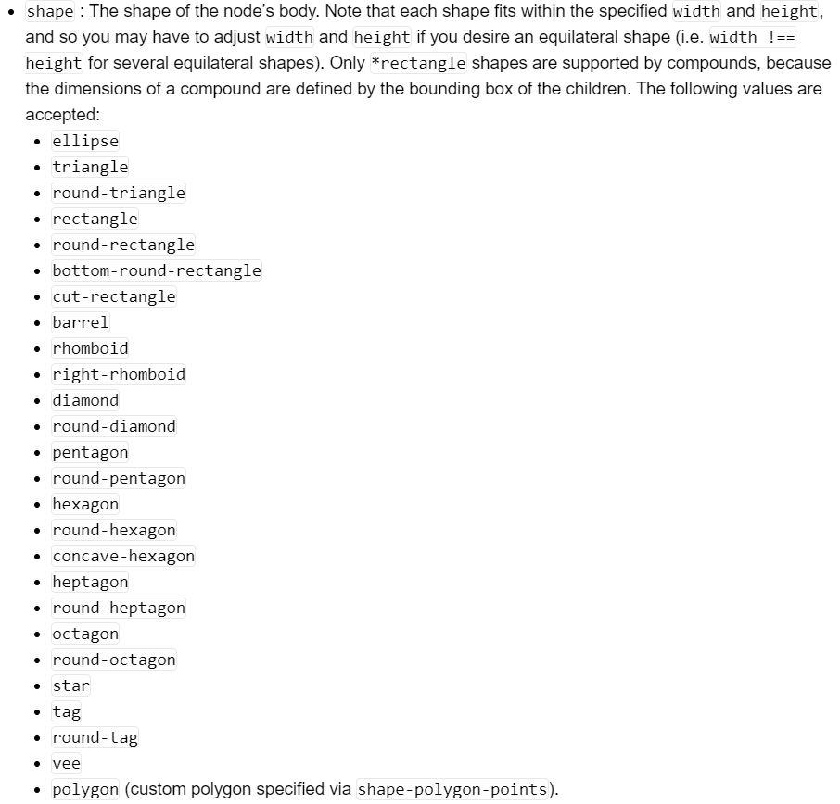
Object_type3 | width | height | shape | shape-polygon-points | background-color | background-blacken | background-opacity | background-fill | backgroundbackground-gradient-stop-colors | background-gradient-stop-positions | background-gradient-direction | border-width | border-style | border-color | border-opacity | padding | padding-relative-to | compound-sizing-wrt-labels | min-width | min-width-bias-left | min-width-bias-right | min-height | min-height-bias-top | min-height-bias-bottom | background-image
old building block |  |  | pentagon |  | black |  | 0.6 |  |  |  |  | 1 |  | red
old system | 1 |  | ellipse |  | green |  |  |  |  |  |  | 5 |  | blue

stylesheet_relations
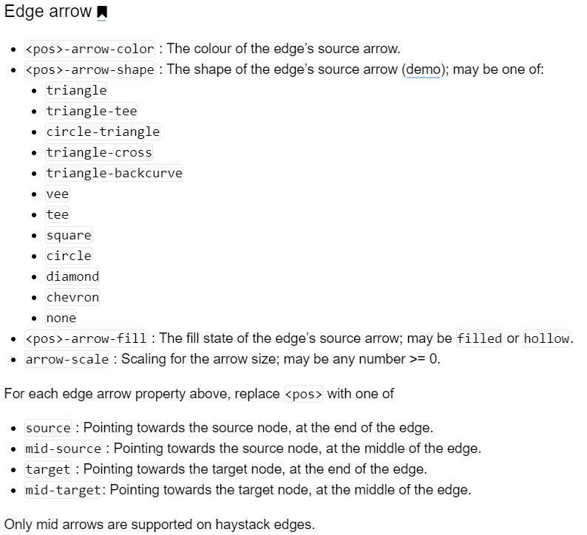
Relation type | width | curve-style | line-color | line-style | line-opacity | line-fill | line-dash-pattern | line-dash-offset | source-arrow-shape | source-arrow-color | target-arrow-shape | target-arrow-color | arrow-scale | mid-target-arrow-shape | mid-target-arrow-color
old consist of |  | unbundled-bezier | red | dotted | 1 |  |  |  | chevron | green | circle | yellow | 3 | diamond | purple

